EN 05001
University | Ecole Centrale de Lyon |  |  |  | Back to BOM |  |  |  | Car # | 81 |  | Part Cost | $103.67
System | Engine & Drivetrain | Drawing : | FileLink1 |  |  |  |  |  |  |  |  | Qty | 1
Assembly | Fuel Tank Assembly |  | FileLink2 |  |  |  |  |  | FileLink1
Part | Fuel Tank (with filler neck) |  | FileLink3 |  |  |  |  |  | FileLink2 |  |  | Extended Cost | $103.67
P/N Base | EN 05001 |  |  |  |  |  |  |  | FileLink3
Suffix | AA
Details

ItemOrder | Material | Use | UnitCost | Size1 |  | Size2 | Unit2 | Area Name | Area | Length | Density | Quantity | Sub Total
10 | Aluminum, Normal (per kg) | Fuel tank plate material | $4.20 | 3.743 | kg | 2.5 | mm | Rectangular plate 460mm x 1200mm | 5.52E-01 | 2.50E-03 | 2712 | 1 | $15.72
20 | Aluminum, Normal (per kg) | Nek tube | $4.20 | 0.103 | kg | 2 | mm | Circular area (tube) 45mm x 2mm | 2.70E-04 | 0.140 | 2712 | 1 | $0.43
30 | Fitting, Weld-in, Male, Aluminum | For Dash6 connection | $1.85 | 8 | mm |  |  |  |  |  |  | 2 | $3.70
 |  |  |  |  |  |  |  |  |  |  |  | Sub Total | $19.85

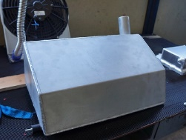
ItemOrder | Process | Use | UnitCost | Unit | Quantity | Multiplier | Mult. Val. | Sub Total
10 | Machining Setup, Install and Remove | Plate material cut | $1.30 | Unit | 1 | Material - Aluminum | 1 | $1.30
20 | Laser cut | Upper plate | $0.01 | cm | 178 | Material - Aluminum | 1 | $1.78
30 | Laser cut | Lower plate | $0.01 | cm | 128 | Material - Aluminum | 1 | $1.28
40 | Laser cut | Side plate | $0.01 | cm | 180 | Material - Aluminum | 1 | $1.80
50 | Laser cut | Cavity | $0.01 | cm | 42 | Material - Aluminum | 1 | $0.42
60 | Sheet metal bends | Upper plate bend | $0.25 | Bend | 1 |  |  | $0.25
70 | Sheet metal bends | Side plate bend | $0.25 | Bend | 2 |  |  | $0.50
80 | Sheet metal bends | Cavity | $1.25 | Bend | 1 |  |  | $1.25
90 | Tube cut | Neck tube cut | $0.15 | cm | 4.5 |  |  | $0.67
100 | Weld | Fuel tank welding + neck tube | $0.15 | cm | 486 |  |  | $72.90
 |  |  |  |  |  |  | Sub Total | $82.15

ItemOrder | Tooling | Use | UnitCost | Unit | Quantity | PVF | FracIncld | Sub Total
10 | Welds - Welding Fixture |  | $500.00 | Point | 10 | 3000 | 1 | $1.67
 |  |  |  |  |  |  | Sub Total | $1.67

EN 05001 Drawing
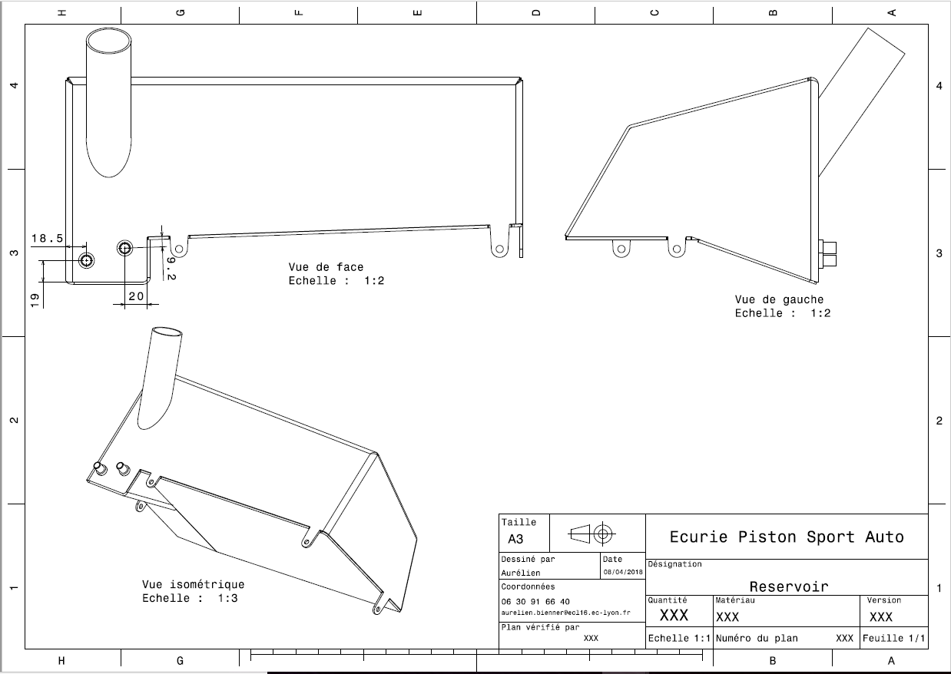
EN 05001

EN 05002
University | Ecole Centrale de Lyon |  |  |  | Back to BOM |  |  |  | Car # | 81 |  | Part Cost | $31.68
System | Engine & Drivetrain |  | FileLink1 |  |  |  |  |  |  |  |  | Qty | 1
Assembly | Fuel Tank Assembly |  | FileLink2 |  |  |  |  |  | FileLink1
Part | Filler Cap |  | FileLink3 |  |  |  |  |  | FileLink2 |  |  | Extended Cost | $31.68
P/N Base | EN 05002 |  |  |  |  |  |  |  | FileLink3
Suffix | AA
Details

ItemOrder | Material | Use | UnitCost | Size1 | Unit1 | Size2 | Unit2 | Area Name | Area | Length | Density | Quantity | Sub Total
10 | Aluminum - Normal (per kg) | Cap material | $4.20 | 0.080 | kg |  |  | Round area diameter 50mm | 1.96E-03 | 0.015 | 2712 | 1 | $0.34
20 | Fuel Check Valve, In-line, Aluminum Rollover |  | $15.00 |  |  |  |  |  |  |  |  | 1 | $15.00
30 | Hose rubber |  | $2.52 | 14 | mm |  |  |  |  | 0.59 |  | 1 | $1.49
40 | Fitting/L.P./Male Flare to Pipe//Aluminum/Anodized | Connect hose rubbber to fuel check valve | $7.60 | 14 | mm | 14 | mm |  |  |  |  | 1 | $7.60
 |  |  |  |  |  |  |  |  |  |  |  | Sub Total | $24.42
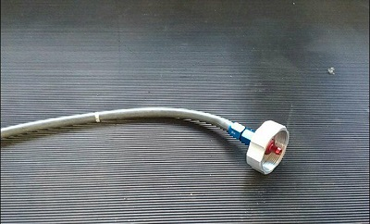
ItemOrder | Process | Use | UnitCost | Unit | Quantity | Multiplier | Mult. Val. | Sub Total
10 | Machning Setup, Install and Remove |  | $1.30 | Unit | 1 |  |  | $1.30
20 | Machining |  | $0.04 | cm^3 | 12 | Material - Aluminium | 1 | $0.48
30 | Threading, Internal (machining) |  | $0.10 | cm | 50 | Material - Aluminium | 1 | $5.00
40 | Drilled holes < 25.4 mm dia. | Fuel Check Valve hole (20mm) | $0.35 | hole | 1 |  |  | $0.35
50 | Assemble, 1 kg, Line-on-Line | Fuel Check Valve assembling | $0.13 | Unit | 1 |  |  | $0.13
 |  |  |  |  |  |  | Sub Total | $7.26

EN 05004 Drawing
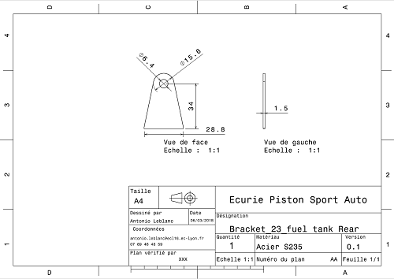
EN 05004

EN 05005 Drawing
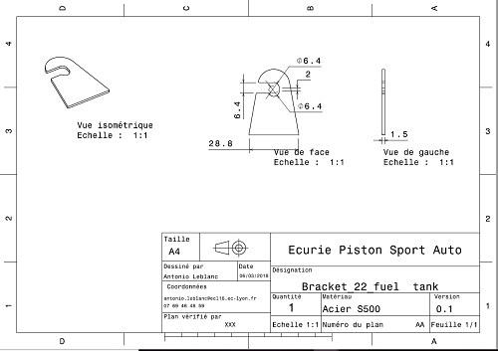
EN 05005

